Sheet1
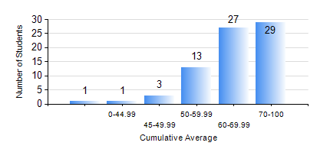
 |  |  | KWAME NKRUMAH UNIVERSITY OF SCIENCE AND TECHNOLOGY, KUMASI Department of Computer Engineering

 |  |  | BSC. BIOMEDICAL ENG.

 |  |  | COMPREHENSIVE RECORD OF EXAMINATION RESULTS

 |  |  | RESULTS OF YEAR 4 FIRST SEMESTER, 2023/2024 ACADEMIC YEAR

 | Sn | Course Code |  | Course Name | Credit Hours | Min. Mark | Max. Mark | Avg. Mark | Std. Dev. | No. Passed | No. Trailed | No. (Df) | No. (I) | No. (I*) | No. Tagged(I,I*,Df) | Total
 | 0. |  |  |  |  |  |  | 0 | 0 | 0 | 0 | 0 | 0 | 0 | 0 | 4
 | 1. | BME 451 |  | MEDICAL IMAGING II | 3 | 47 | 91 | 67 | 11.39 | 70 | 0 | 0 | 0 | 0 | 0 | 70
 | 2. | BME 461 |  | BIOMECHANICS I | 3 | 6 | 92 | 68 | 15.9 | 69 | 1 | 0 | 0 | 0 | 0 | 70
 | 3. | BME 463 |  | BIOMATERIALS II | 3 | 40 | 83 | 63 | 10.66 | 70 | 0 | 0 | 0 | 0 | 0 | 70
 | 4. | BME 471 |  | BIOINSTRUMENTATION II | 3 | 40 | 90 | 70 | 10.91 | 70 | 0 | 0 | 0 | 0 | 0 | 70
 | 5. | BME 497 |  | PROJECT I | 3 | 72 | 87 | 81 | 3.65 | 70 | 0 | 0 | 0 | 0 | 0 | 70
 | 6. | BME 499 |  | VACATION TRAINING | 2 | 55 | 78 | 67 | 3.43 | 70 | 0 | 0 | 0 | 0 | 0 | 70
 | 7. | ME 491 |  | ENGINEERING ECONOMICS AND MANAGEMENT | 2 | 40 | 85 | 65 | 11.02 | 70 | 0 | 0 | 0 | 0 | 0 | 70

